Predicting Rep score
Diff from Preceding Pres. Cycle
 | Rep Score | Predicted Rep Score
-8849000 | 40.7 | 44.105309025
14658000 | 47.9 | 49.67535747
9101000 | 50.7 | 48.358611003
-9502000 | 45.7 | 43.950578875
-3604000 | 47.2 | 45.348126233
2785000 | 46.1 | 46.862017393
SUMMARY OUTPUT

Regression Statistics
Multiple R | 0.70611206671
R Square | 0.49859425076
Adjusted R Square | 0.37324281345
Standard Error | 2.6125039411
Observations | 6

ANOVA
 | df | SS | MS | F | Significance F
Regression | 1 | 27.147625963 | 27.147625963 | 3.977571071 | 0.11686360836
Residual | 4 | 27.30070737 | 6.8251768425
Total | 5 | 54.448333333

 | Coefficients | Standard Error | t Stat | P-value | Lower 95% | Upper 95% | Lower 95.0% | Upper 95.0%
Intercept | 46.202103967 | 1.0704143101 | 43.162823526 | 1.7225005949E-06 | 43.230157395 | 49.174050539 | 43.230157395 | 49.174050539
Diff from Preceding Cycle | 2.3695275642E-07 | 1.1880994394E-07 | 1.9943848854 | 0.11686360836 | -9.2916530873E-08 | 5.6682204371E-07 | -9.2916530873E-08 | 5.6682204371E-07

RESIDUAL OUTPUT

Observation | Predicted Rep Score | Residuals
1 | 44.105309025 | -3.4053090252
2 | 49.67535747 | -1.7753574704
3 | 48.358611003 | 2.341388997
4 | 43.950578875 | 1.7494211247
5 | 45.348126233 | 1.8518737673
6 | 46.862017393 | -0.76201739343

Predicting Dem Score
Diff from Preceding Cycle Line Fit Plot
 | Dem Score | Predicted Dem Score
-8849000 | 49.2 | 51.00137895
14658000 | 48.4 | 47.737843943
9101000 | 48.3 | 48.50933601
-9502000 | 52.9 | 51.092036556
-3604000 | 51.1 | 50.273202614
2785000 | 48.1 | 49.386201927
SUMMARY OUTPUT

Regression Statistics
Multiple R | 0.7068333073
R Square | 0.49961332431
Adjusted R Square | 0.37451665538
Standard Error | 1.5275699213
Observations | 6

ANOVA
 | df | SS | MS | F | Significance F
Regression | 1 | 9.3194538761 | 9.3194538761 | 3.9938179698 | 0.11632170825
Residual | 4 | 9.3338794573 | 2.3334698643
Total | 5 | 18.653333333

 | Coefficients | Standard Error | t Stat | P-value | Lower 95% | Upper 95% | Lower 95.0% | Upper 95.0%
Intercept | 49.772850372 | 0.62588717194 | 79.523678713 | 1.4986758716E-07 | 48.035108997 | 51.510591747 | 48.035108997 | 51.510591747
Diff from Preceding Cycle | -1.3883247573E-07 | 6.9469941785E-08 | -1.9984538948 | 0.11632170825 | -3.3171195556E-07 | 5.4047004093E-08 | -3.3171195556E-07 | 5.4047004093E-08

RESIDUAL OUTPUT

Observation | Predicted Dem Score | Residuals
1 | 51.00137895 | -1.8013789496
2 | 47.737843943 | 0.66215605745
3 | 48.50933601 | -0.2093360102
4 | 51.092036556 | 1.8079634437
5 | 50.273202614 | 0.8267973856
6 | 49.386201927 | -1.2862019269

Turnout 1996-2016
Date | Voter Turnout | Diff from Preceding Cycle | Diff from Preceding Cycle | Dem Score | Diff from Preceding Cycle | Rep Score
1996-11-05 | 105017000 | -8849000 | -8849000 | 49.2 | -8849000 | 40.7
2000-11-05 | 110826000 | 5809000 | 14658000 | 48.4 | 14658000 | 47.9
2004-11-05 | 125736000 | 14910000 | 9101000 | 48.3 | 9101000 | 50.7
2008-11-05 | 131144000 | 5408000 | -9502000 | 52.9 | -9502000 | 45.7
2012-11-05 | 132948000 | 1804000 | -3604000 | 51.1 | -3604000 | 47.2
2016-11-05 | 137537000 | 4589000 | 2785000 | 48.1 | 2785000 | 46.1

Source: https://www.census.gov/content/dam/Census/library/publications/2018/demo/P20-582.pdf

Projection on additional turnout is estimated @ +/- 8.5 mn for 2020.

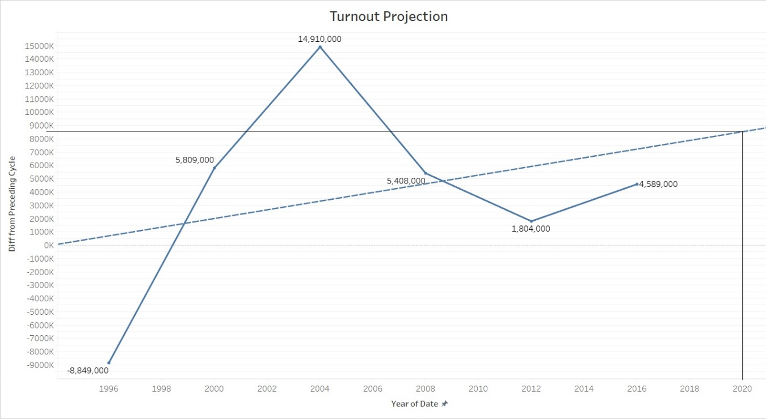
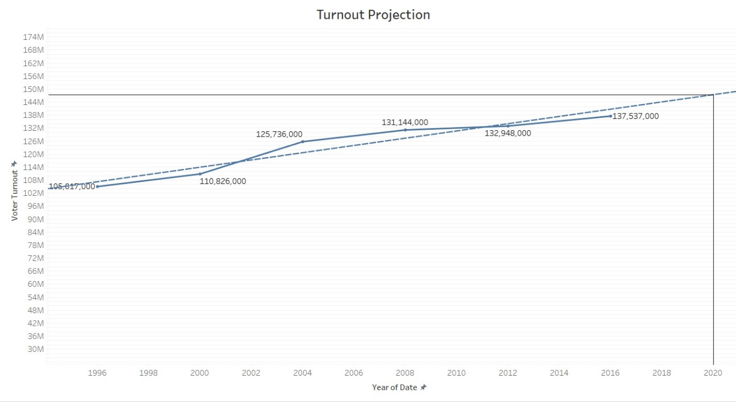
Projection on turnout is estimated @ +/- 147 mn for 2020

